DONGCHENG
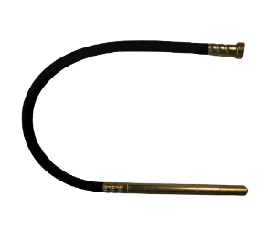
ITEM DESCRIPTION | IMAGE | ITEM CODE
CONCRETE VIBRATOR NEEDLE
VIBRATOR NEEDLE 1.5MX35mm |  | ZN35X1.5M
VIBRATOR NEEDLE 3MX35mm |  | ZN35X3M

SURIE POLEX
ITEM DESCRIPTION | QTY/BOX | IMAGE
POLISH PAD 100MM GOLD DCRPD4S1
SURIE POLISH WHEEL 0 LEVEL GRINDING | 10
SURIE POLISH WHEEL 1 FINE GRINDING | 10
SURIE POLISH WHEEL 2 SMOOTH GRINDING | 10
SURIE POLISH WHEEL 3 PRE POLISH | 10
SURIE POLISH WHEEL 4 POLISH | 10
SURIE POLISH WHEEL 5 FINE POLISH | 10
SURIE POLISH WHEEL 6 BUFF | 10
POLISH PAD 100MM MIRREX DCRPD4S1
SURIE POLISH WHEEL 0 LEVEL GRINDING | 10 | 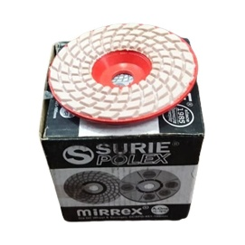
SURIE POLISH WHEEL 1 FINE GRINDING | 10
SURIE POLISH WHEEL 2 SMOOTH GRINDING | 10
SURIE POLISH WHEEL 3 PRE POLISH | 10
SURIE POLISH WHEEL 4 POLISH | 10
SURIE POLISH WHEEL 5 FINE POLISH | 10
SURIE POLISH WHEEL 6 BUFF | 10
FLEXIBLE POLISHING PAD DCRF5U1XD
Flexible pad XD 60 | 10 | 